Sheet1
 | tarushi | yang | george
Q1a | same |  | same | Q1d
Q1b |  |  | volunteered to do this one
Q1c | see img | didn't run | see img
Q1d | see img | blank | see img
Q1e | same | same | same

Q2 block 1 | loaded from root folder | did not run (weights) | loaded from data folder
Q2 block 2 | See img (var names) | did not run | See img (var names)
Q2 block 3 | no ggplot | did not run
Q2 text |  |  | The math gender gap varies widely in between countries with an unweighted average gap of 4.8 points, however girls outperform boys by 30 points in reading and 0.5 points in science. The gender gap in maths appears to be wider in Europe and South America in favour of boys and wider in favour of girls in Middle East and the Caribbean.
 |  |  |  | Q1c
Q3a |  | The data refers to the change of value of Australin Dollor relative US Dollor. as for the picture, there was a little increase to 1.47 from Nov to Dec, which followed by a little decrease to Jan where it reached the nadir of 1.42. since then it begun to grow until mid-Mar and achieved the peak about 1.74, even though there was a small decline during the first quanrter reason of Mar from 1.55 to 1.5. however, the ratio decreased again from the period between mid-Mar and Apr. | Over the 5 month period the Australian dollar has weakened against the US dollar, with the decline rapidly accelerating in early March coinciding with when the coronavirus started affected the world economy to a greater extent. AUD in particular weakened relative to the USD this time because of more interest rate cuts which encourage outflow of capital to places with higher potential returns like the US. There earlier decline in the value of the AUD has been caused by supression of demand due to the early impact of coronavirus in china. The bushfires also reduced australian output and supply of exports. [2] |  | 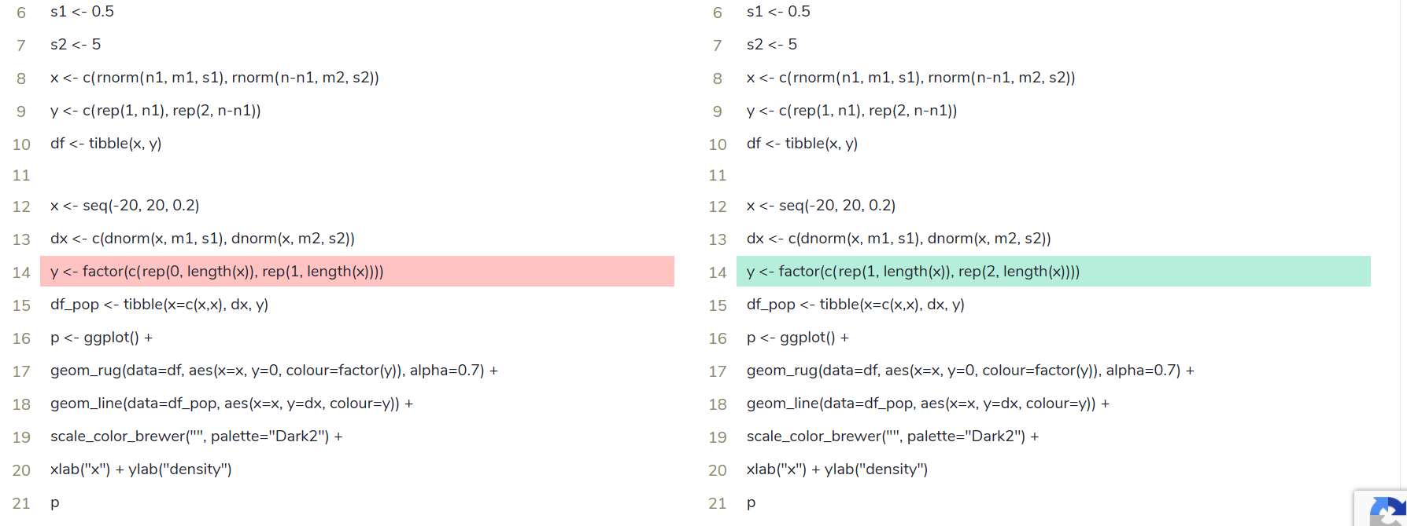
Q3a code | loaded data from root folder | loaded data from root folder, has nifty labels | loaded data from data/xxx.csv
Q3b | same | same | same
Q3c | same | did not run | same
Q3d1 | Data sets containing more features than observations are often referred to as high-dimensional (An Introduction to Statistical Learning with Applications in R, 2013, p. 239). In this case, the data comprises of dates and currencies in wide form. As there are more dates than there are currencies in the dataset it is considered high-B19dimensional. | there are roughly 2 clusters, the one of EUR and JPY that both PC1 and PC2 explains around equally their most variance, the anther cluster of rest countries except CNY and CHF can be explained largely by PC1 not PC2, which behave similarly. | his data is high dimensional because in it's wide form the variables are the dates (each of which comprise a dimension), and each observation is a currency and there are a whole lot more dates than currencies. We want to see the relationship between the currencies, to do this with PCA, we have to make the currencies the observations and the dates the variables[1].
Q3d2 |  | A big movement happened sinc then the end of Feb. As for the picture, CNY,CHF behave strengthened relative to the USD. Australia Dollar decreased relative USD during this period. In this case, principal component analysis summarise the volatility of each currency aganist date. date dimension has been reduced. | The first 2 PCs explain roughly 55% of the variation in the data.
Q3d3 | Overall, most of the currencies were similar when PC1 and PC2 were plotted, apart from CNY, CHF, JPY and EUR. As seen in the plot, JPY and EUR showcase a similar nature for both principal components, with a high postive PC2, whereas both CNY and CHF display a positive PC1.- the AUD decreased in relation to the USD during this time period, which is further seen with its negative PC1 value. | In this case, principal component analysis summarise the volatility of each currency aganist date. date dimension has been reduced. | he majority of this basket appear to behave similarly as a group marked as cluster 1 on PC1 and PC2 with the notable exceptions of CNY, JPY, EUR and CHF. JPExamination on the plotly interactive plot using a currency like the CAD to represent the main cluster reveals that the these JPY and CHF spiked dramatically in early march relative to the basket, which is why they are similar in PC1. Y and EUR are somewhat similar in PC1 and PC2, while the CNY and CHF stands somewhat alone. On PC1 the CHF and the JPY are somewhat similar in having a strong positive PC1 component. | Q2 block 2 |  | 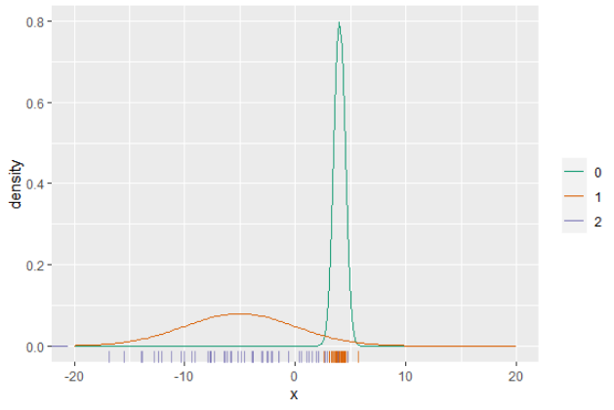 | 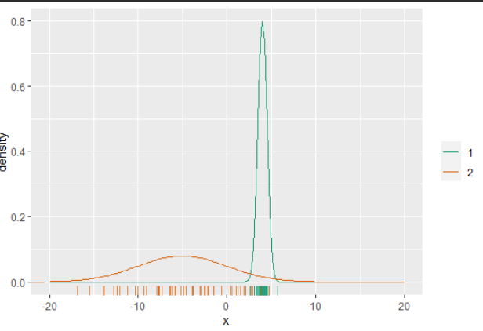
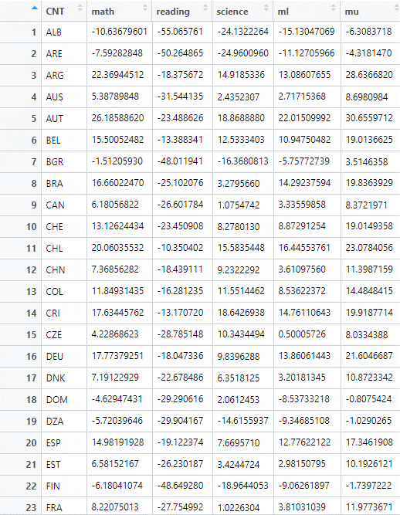
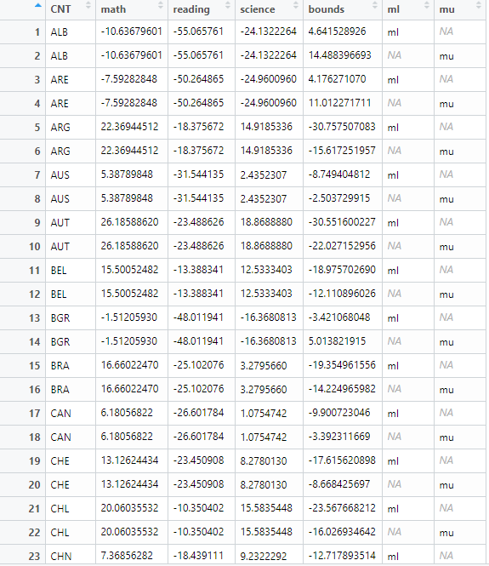
Q3d4 | The use of the baseline acts as a general average for the loadings for PC1. The currencies that strengthened relative to the USD were EUR, JPY, CHF, and CNY (noticebly the currencies that showcased a different pattern to the general cluster in the PC1 plot).As seen in the plot, divergence in the currencies occurs at between 115 to 120 index, which links to the time frame of the end of February. |  | The baselines are plotted on the loadings as the PCA formula states that loadings are $\displaystyle\sum_{j=1}^p \phi^2_{j1} = 1$, therefore $\pm \frac{1}{\sqrt150}$ represents the root mean square of the loadings as $p = 150$, this is used as a guide as it represents an 'average' of what the loadings should be for $p$ variables. There is a big movement in PC1 which started at around index 115 which corresponds to the end of Feburary. In this period the EUR, JPY, CHF, and CNY strengthed relative to the US dollar, whereas the AUD, which is slightly negative in PC1 decrease in value relative to the USD during the same time period.
Q3d5 | As seen in the plot for PC2, divergence in the currencies occurs at between 65 to 70 index, however it begins to fluctuate at around the 125 index. - Currencies that were primarily weakened were CNY and CHF, with negative PC2, while in comparison EUR and JPY have positive PC2. |  | For PC2 there was movement of currencies around index 70, and highly oscillatory behaviour starting around index 120. The outliers that are high in magnitude either direction of PC2 - CNY and CHF in the negative - increasing with negative loadings of PC2 vs EUR and JPY in the positive - increasing with positive loadings of PC2 shows inverse correlation between groups in those time periods.
Q3d6 | The variability the principal components analysis is summarising the variance for each currency between each othe dates. The dimension reduction that is being done in this case is reducing the date variables to principal components. | In this case, principal component analysis summarise the volatility of each currency aganist date. date dimension has been reduced. | The variability that PCA is summarising the variance between dates for each currency. We are reducing the date variables to a set of principle components.

Q4 |  | The statement is partly corrent.
 | principal component analysis is a method of unsupervised Learning, in which it produces low-dimensional representation of a dataset and finds a sequence of linear combinations of particular variables that have the highest variance and are uncorrelated. | PCA not only acts as a dimension reduction technique for regression by derivinh a low-dimensional set of features from a large set of variables; but also is a tool for data visualization or data pre-processing before supervised techniques by summarizing a smaller number of representive variables that explain most of the variability in the original set. | Principle component analysis is both a dimension reduction technique but it is also a useful tool as applied here to understand the relationship between endogenous variables. We can use use the tool to more easily visualise higher dimension data. [1]

